Sheet1
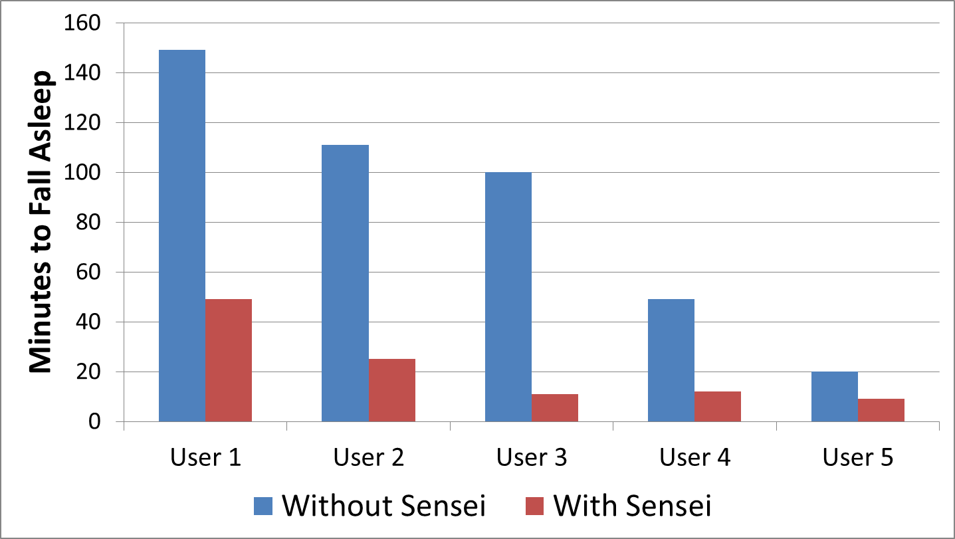
 | Without Sensei | With Sensei
User 1 | 149 | 49
User 2 | 111 | 25
User 3 | 100 | 11
User 4 | 49 | 12
User 5 | 20 | 9

